Form Instructions
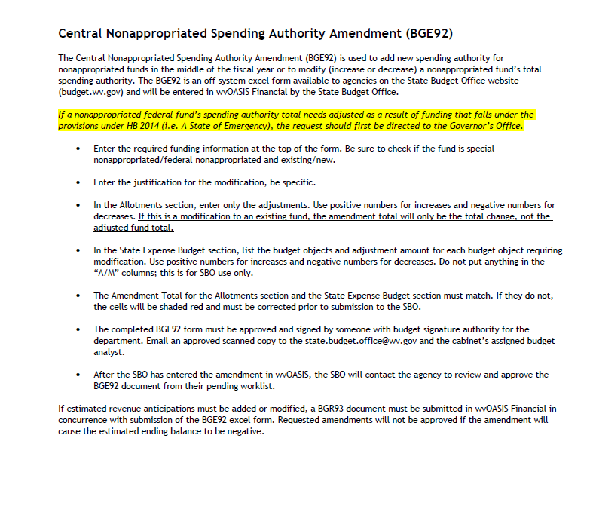
https://budget.wv.gov/stateagencyforms/expenditureschedules/Documents/ESA2023.pdf

